Exporting Coordinates Guide
RECOMMENDED STEPS FOR EXPORTING COORDINATES TO TEXT FILE

Step 1: | Open the Microstation drawing of the plan sheet submitted from the distrit in the bridge survey report.

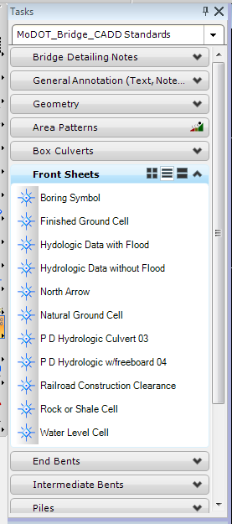
Step 2: | Add sounding locations as noted on the M-40b Sounding Layout. The use of
 | the boring symbol located under the Task drop down menu, MoDOT_Bridge_CADD
 | Standards/Front Sheets is recommended for easier viewing.

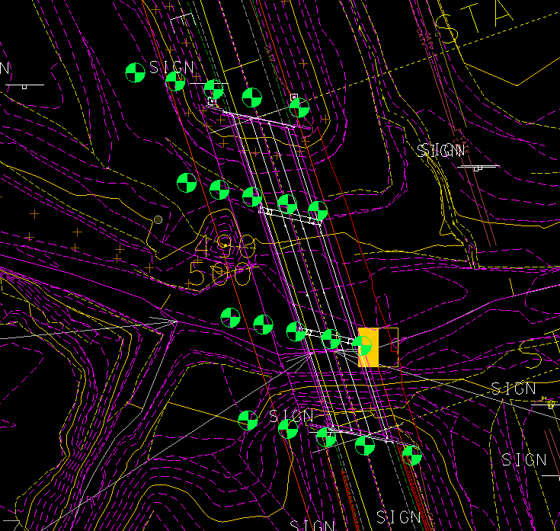

Step 3: | Select locations for bent 1 in the order they appear on the sounding layout. Typically locations are ordered left to right
 | (example: 30' lt, center, 30' rt.). This should ensure proper assignment on the point numbers.

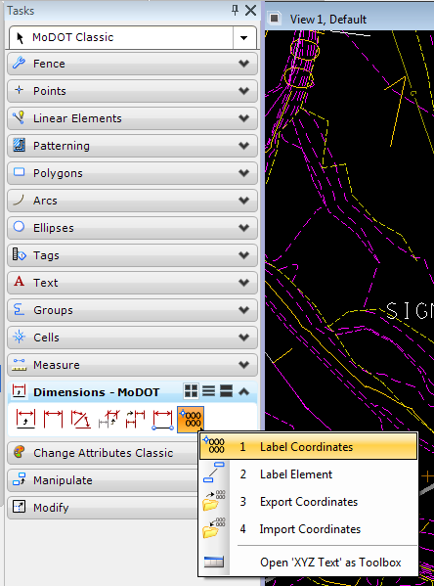
Step 4: | With the borings selected, open the task drop down menu, MoDOT
 | Classic/Dimensions. Hold down the right mouse button on the Label
 | Coordinates button, , to bring up the XYZ Text toolbox.
 | Select the Export Coordinates button.

Step 5: | When the Export Coordinates box appears. Enter the file location.

a. | To save in Microstation:
 | Click Browse. Select No Wizard, then Ok. Fill in name, description,
 | file name and format, then selet Save.
b. | To save on desktop:
 | Click Browse. Select Cancel, then Desktop. Fill in file name and then
 | select Save.

Step 6: | The order, format, accuracy and separator should be as shown.

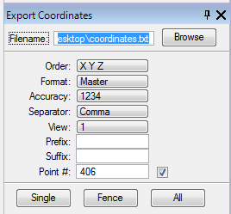
Step 7: | The point number should correspond to the bent number. Soundings
 | at bent 1 will start with 101, 102, 103, etc. (Make sure the check box
 | is checked in order to enter a point number). The point number will
 | automatically increment with the number of points you previously
 | selected.

Step 8: | Click on Single button. Then select Overwrite existing file.
 | Then Ok and Ok.

Step 9: | Follow 'Importing Coordinate Guide' for importing into the excel file.

Step 10: | Repeat for remaining bents.

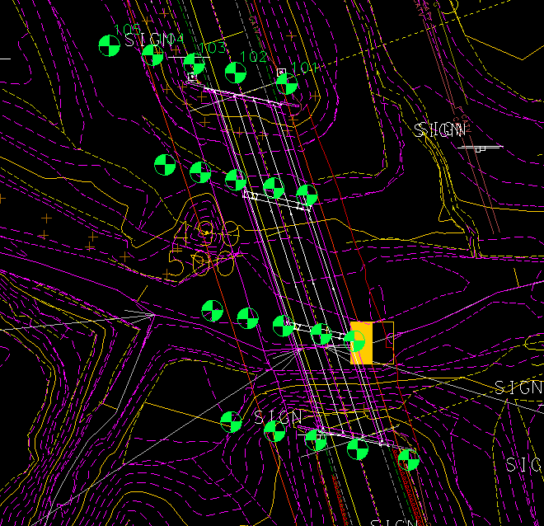
Note: | Labels will appear by the points selected
 | and in the order you select. Each bent
 | should be done seperately in order for the
 | auto increments to work.

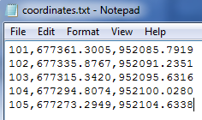

 | The text file will appear as shown.

Importing Coordinates Guide
RECOMMENDED STEPS FOR IMPORTING COORDINATES FROM TEXT FILE

Step 1: | Follow guide for exporting coordinates from Microstation into a text file. Exporting and importing should be done
 | one bent at a time in order to leave a space between bents on the sounding layout.

Step 2: | Under the Data tab, select From Text button.

Step 3: | Find location of coordinate text file created
 | previously following the "Exporting Cooridinates
 | Guide". Then select Import.

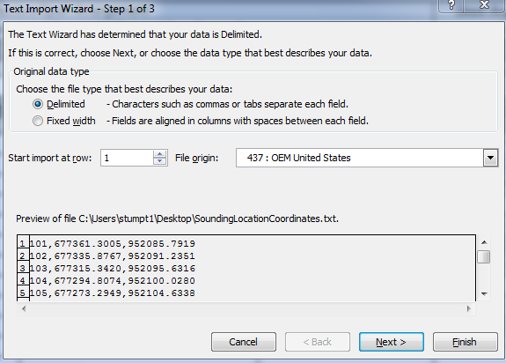

Step 4: | The following box will pop-up. Be sure that
 | Delimited' is selected. Then press Next.

Step 5: | The next screen will want you to select the
 | item that was used to separate the columns
 | in the text file. Select, whichever, was used
 | (typically a comma or space) and a black
 | line will appear showing the individual columns.
 | Select Next.

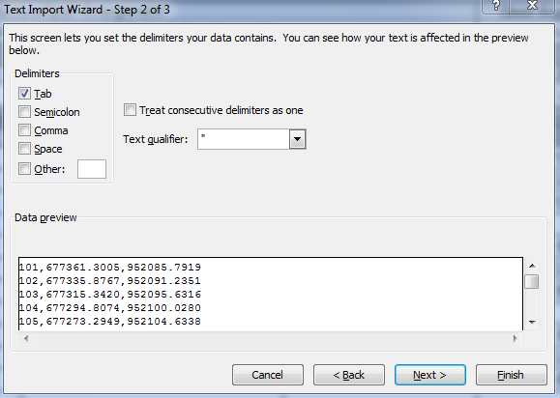
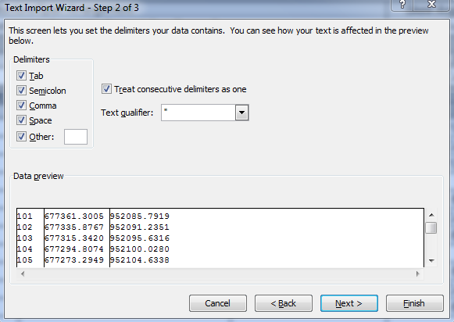

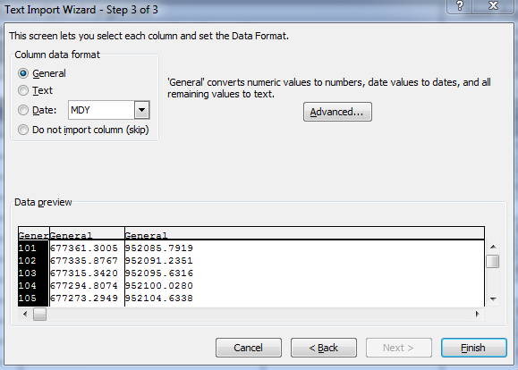
Step 6: | This next screen will ask you to select the
 | format for each column to be input and also
 | gives you the option to skip a column.
 | Since the Point Number isn't adjacent to the
 | Easting and Northing columns in the M-40b
 | form, that column should be skipped. To do
 | so, select the column and then select the
 | Do not import column (skip) button.



 | The title of the colun will then change to match
 | your selection. Select the Finish button.

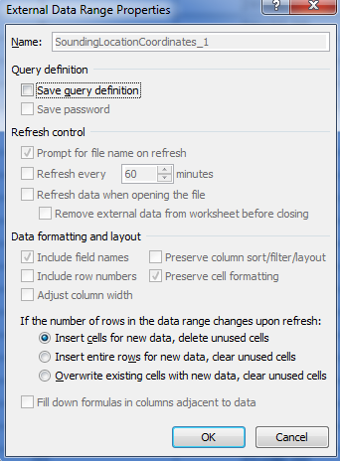
Step 7: | When the import data box pops up you can
 | use the button to select the cell
 | you wish to start the insert.

Step 8: | Select the Properties button after choosing the cell. The box to
 | the right will open up. Be sure to unselect the 'Adjust column width' box
 | and also unselect the 'Save query definition' box. Select Ok. Then Ok.

Step 9: | Repeat for each bent as necessary.

