Exporting Coordinates Guide
RECOMMENDED STEPS FOR EXPORTING COORDINATES TO TEXT FILE

Step 1: | Open the Microstation drawing of the plan sheet submitted from the distrit in the bridge survey report.

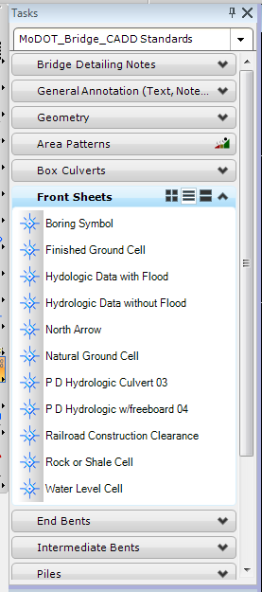
Step 2: | Add sounding locations as noted on the M-40b Sounding Layout. The use of
 | the boring symbol located under the Task drop down menu, MoDOT_Bridge_CADD
 | Standards/Front Sheets is recommended for easier viewing.

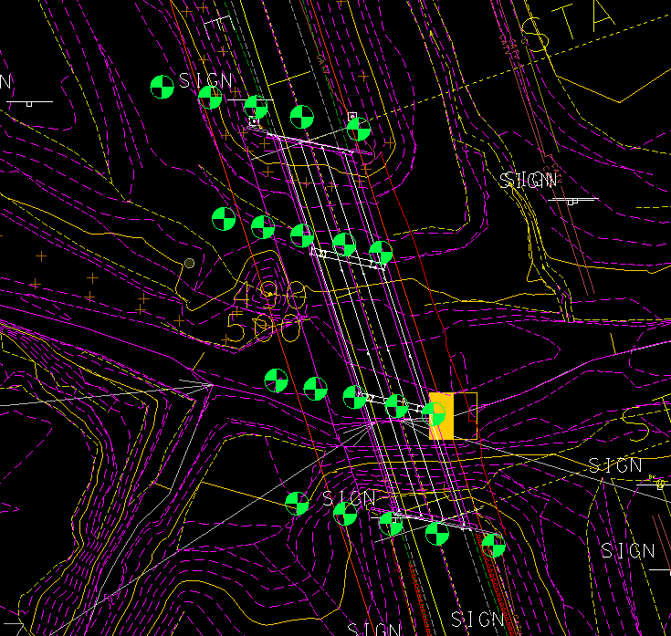

Step 3: | Select locations for bent 1 in the order they appear on the sounding layout. Typically locations are ordered left to right
 | (example: 30' lt, center, 30' rt.). This should ensure proper assignment on the point numbers.

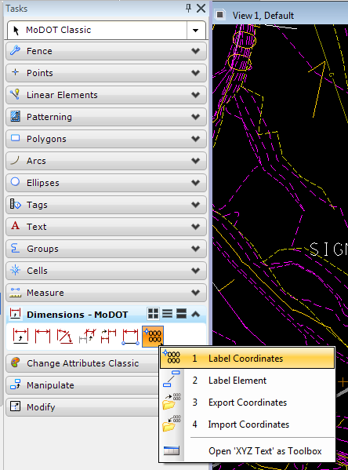
Step 4: | With the borings selected, open the task drop down menu, MoDOT
 | Classic/Dimensions. Hold down the right mouse button on the Label
 | Coordinates button, , to bring up the XYZ Text toolbox.
 | Select the Export Coordinates button.

Step 5: | When the Export Coordinates box appears. Enter the file location.

a. | To save in Microstation:
 | Click Browse. Select No Wizard, then Ok. Fill in name, description,
 | file name and format, then selet Save.
b. | To save on desktop:
 | Click Browse. Select Cancel, then Desktop. Fill in file name and then
 | select Save.

Step 6: | The order, format, accuracy and separator should be as shown.

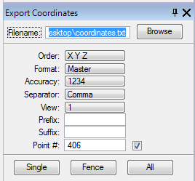
Step 7: | The point number should correspond to the bent number. Soundings
 | at bent 1 will start with 101, 102, 103, etc. (Make sure the check box
 | is checked in order to enter a point number). The point number will
 | automatically increment with the number of points you previously
 | selected.

Step 8: | Click on Single button. Then select Overwrite existing file.
 | Then Ok and Ok.

Step 9: | Follow 'Importing Coordinate Guide' for importing into the excel file.

Step 10: | Repeat for remaining bents.

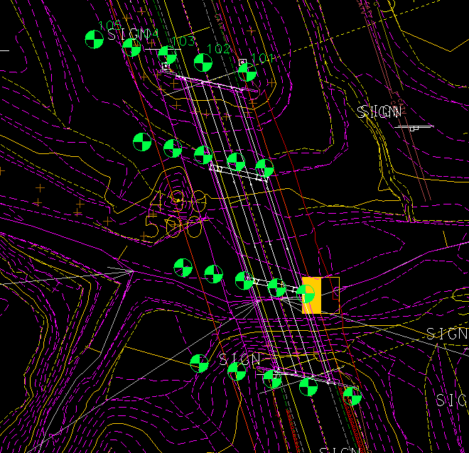
Note: | Labels will appear by the points selected
 | and in the order you select. Each bent
 | should be done seperately in order for the
 | auto increments to work.

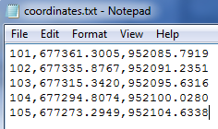

 | The text file will appear as shown.

Importing Coordinates Guide
RECOMMENDED STEPS FOR IMPORTING COORDINATES FROM TEXT FILE

Step 1: | Follow guide for exporting coordinates from Microstation into a text file. Exporting and importing should be done
 | one bent at a time in order to leave a space between bents on the sounding layout.

Step 2: | Under the Data tab, select From Text button.

Step 3: | Find location of coordinate text file created
 | previously following the "Exporting Cooridinates
 | Guide". Then select Import.

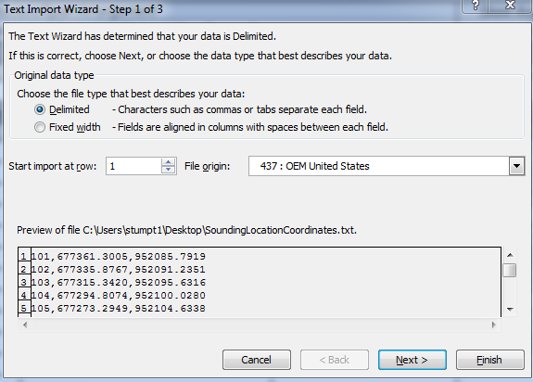

Step 4: | The following box will pop-up. Be sure that
 | Delimited' is selected. Then press Next.

Step 5: | The next screen will want you to select the
 | item that was used to separate the columns
 | in the text file. Select, whichever, was used
 | (typically a comma or space) and a black
 | line will appear showing the individual columns.
 | Select Next.

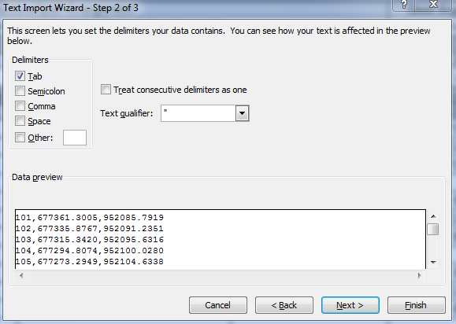
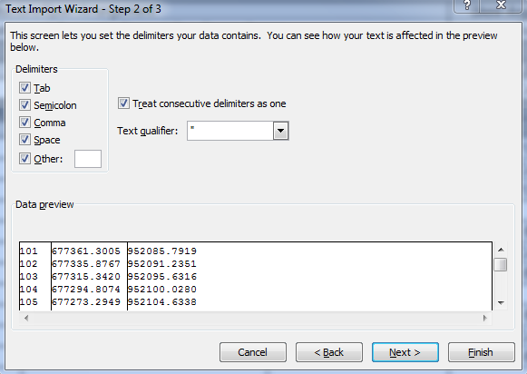

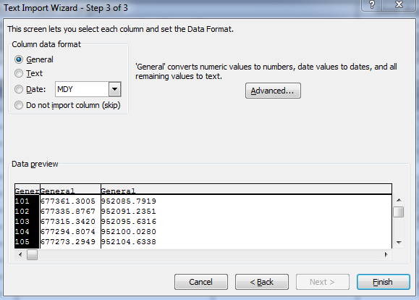
Step 6: | This next screen will ask you to select the
 | format for each column to be input and also
 | gives you the option to skip a column.
 | Since the Point Number isn't adjacent to the
 | Easting and Northing columns in the M-40b
 | form, that column should be skipped. To do
 | so, select the column and then select the
 | Do not import column (skip) button.



 | The title of the colun will then change to match
 | your selection. Select the Finish button.

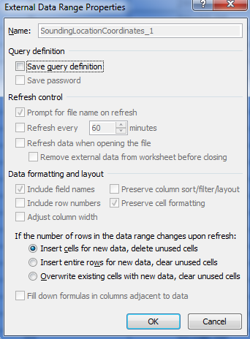
Step 7: | When the import data box pops up you can
 | use the button to select the cell
 | you wish to start the insert.

Step 8: | Select the Properties button after choosing the cell. The box to
 | the right will open up. Be sure to unselect the 'Adjust column width' box
 | and also unselect the 'Save query definition' box. Select Ok. Then Ok.

Step 9: | Repeat for each bent as necessary.

AASHTO 17th Ed Form C - BR
Bridge Division Soil Properties Worksheet (AASHTO 17th Ed., Division I-A Seismic) Form C

 | Instructions for Bridge Division: |  |  |  | (Fill in below.)

 | Job. No. |  |  |  | Latitude:
 | County: |  |  |  | Longitude:
 | Bridge No. |  |  |  | or Zip Code:
 | Route:

 |  |  | Seismic Performance Category (SPC):

 | Determine level of seismic bridge design as either "Seismic Detail Only" or "Complete Seismic Analysis" when bridge is in SPC B, C or D using the EPG links provided.

 | See EPG 756 Seismic Design |  |  | See EPG 948 Incident Response Plan and Emergency Response Management, Section G, Appendix A
Hide Tab if
Not
Applicable
 | Seismic Detail Only |  |  | Complete Seismic Analysis

 | Instructions for Geotechnical Section: |  |  |  | (Follow instructions based on information above.)

 | For Seismic Performance Category (SPC) A
 | Instruction: Provide requested soil properties using Form A.

 | For Seismic Design Category (SPC) B, C or D and seismic bridge design indicated above as "Seismic Detail Only"
 | Instruction: Provide requested soil properties using Form A. Provide liquefaction evaluation.

 | For Seismic Design Category (SPC) B, C or D and seismic bridge design indicated above as "Complete Seismic Analysis"
 | Instruction: Provide requested soil properties using Form A and provide the following 20 soil properties listed below.

 | 1 | Moisture Content (Wn%) |  |  | 11 | SPT Blow Count per 12" (N60 blows/12")
 | 2 | Saturated Unit Weight of Soil (ɣsat, pcf) |  |  | 12 | Corrected Normalized SPT Blow Count per 12” (N1)60
 | 3 | Liquid Limit (LL) |  |  | 13 | Resisting Stress Ratio (R.S.R.)
 | 4 | Plastic Index (PI) |  |  | * 14 | Factor of Safety Against Liquefaction (F.S. Liquefaction)
 | 5 | ASTM Classification (ASTM Class) |  |  | 15 | Shear Velocity (Vs ft/s)
 | 6 | Percent Passing #200 Sieve (% #75 µm) |  |  | 16 | Maximum Shear Modulus (Gmax tsf) |  | References for Liquefaction:
 | 7 | Relative Density (Dr) |  |  | 17 | Shear Modulus (G tsf) |  | 1 SGS Section 6.8 Liquefaction Design Requirements, 2011, 2nd. Ed. w/ 2015 interims
 | 8 | Undrained Shearing Strength (u.s.s. c tsf) |  |  | 18 | Young's Modulus (Es tsf) |  | 2 LRFD Seismic Analysis and Design of Bridges, FHWA-NHI-15-004 Course No. 130093 and 130093A,
 | 9 | Angle of Internal friction, Phi-Angle (Ø°) |  |  | 19 | Poisson's Ratio (v) |  | Section 3.4 Liquefaction Impacts on Deep Foundations, 2014
 | 10 | Cohesion (c psf) |  |  | ** 20 | Soil Profile Type |  | 3 FHWA GEC 5 Geotechnical Site Characterization, FHWA-NHI-16-072, 2016

 | General Comments: |  |  |  |  |  | * Provide safety factors for liquefaction for the recommended seismic magnitude at the bridge site. The magnitude shall be based on the probability of exceedance of 10% in 50 years (approximately corresponding to a return period of 500 years).
 | 1.
 |  |  |  |  |  |  | ** Provide soil profile type (Type I, II, III or IV based on AASHTO 17th ed., Div. I - A, Sec. 3.5) at each boring location.

 | 2. |  |  |  |  |  | Other Required Soil Properties (or Special Instructions)
 |  |  |  |  |  |  | 1
 |  |  |  |  |  |  | 2
 |  |  |  |  |  |  | 3

AASHTO 17th Ed Form C - MSE
Bridge Division Soil Properties Worksheet (AASHTO 17th Ed., Division I-A Seismic) Form C

 | Instructions for Bridge Division: |  |  |  | (Fill in below.)

 | Job. No. |  |  |  | Latitude:
 | County: |  |  |  | Longitude:
 | Bridge No. |  |  |  | or Zip Code:
 | Route:

 |  |  | Seismic Performance Category (SPC):

 | Determine level of seismic bridge design as either "Seismic Detail Only" or "Complete Seismic Analysis" when bridge is in SPC B, C or D using the EPG links provided.

 | See EPG 756 Seismic Design |  |  | See EPG 948 Incident Response Plan and Emergency Response Management, Section G, Appendix A
Hide Tab if
Not
Applicable
 | Seismic Detail Only |  |  | Complete Seismic Analysis

 | Instructions for Geotechnical Section: |  |  |  | (Follow instructions based on information above.)

 | For Seismic Performance Category (SPC) A
 | Instruction: Provide requested soil properties using Form A.

 | For Seismic Design Category (SPC) B, C or D and seismic bridge design indicated above as "Seismic Detail Only"
 | Instruction: Provide requested soil properties using Form A. Provide liquefaction evaluation.

 | For Seismic Design Category (SPC) B, C or D and seismic bridge design indicated above as "Complete Seismic Analysis"
 | Instruction: Provide requested soil properties using Form A and provide the following 20 soil properties listed below.

 | 1 | Moisture Content (Wn%) |  |  | 11 | SPT Blow Count per 12" (N60 blows/12")
 | 2 | Saturated Unit Weight of Soil (ɣsat, pcf) |  |  | 12 | Corrected Normalized SPT Blow Count per 12” (N1)60
 | 3 | Liquid Limit (LL) |  |  | 13 | Resisting Stress Ratio (R.S.R.)
 | 4 | Plastic Index (PI) |  |  | * 14 | Factor of Safety Against Liquefaction (F.S. Liquefaction)
 | 5 | ASTM Classification (ASTM Class) |  |  | 15 | Shear Velocity (Vs ft/s)
 | 6 | Percent Passing #200 Sieve (% #75 µm) |  |  | 16 | Maximum Shear Modulus (Gmax tsf) |  | References for Liquefaction:
 | 7 | Relative Density (Dr) |  |  | 17 | Shear Modulus (G tsf) |  | 1 SGS Section 6.8 Liquefaction Design Requirements, 2011, 2nd. Ed. w/ 2015 interims
 | 8 | Undrained Shearing Strength (u.s.s. c tsf) |  |  | 18 | Young's Modulus (Es tsf) |  | 2 LRFD Seismic Analysis and Design of Bridges, FHWA-NHI-15-004 Course No. 130093 and 130093A,
 | 9 | Angle of Internal friction, Phi-Angle (Ø°) |  |  | 19 | Poisson's Ratio (v) |  | Section 3.4 Liquefaction Impacts on Deep Foundations, 2014
 | 10 | Cohesion (c psf) |  |  | ** 20 | Soil Profile Type |  | 3 FHWA GEC 5 Geotechnical Site Characterization, FHWA-NHI-16-072, 2016

 | General Comments: |  |  |  |  |  | * Provide safety factors for liquefaction for the recommended seismic magnitude at the bridge site. The magnitude shall be based on the probability of exceedance of 10% in 50 years (approximately corresponding to a return period of 500 years).
 | 1.
 |  |  |  |  |  |  | ** Provide soil profile type (Type I, II, III or IV based on AASHTO 17th ed., Div. I - A, Sec. 3.5) at each boring location.

 | 2. |  |  |  |  |  | Other Required Soil Properties (or Special Instructions)
 |  |  |  |  |  |  | 1
 |  |  |  |  |  |  | 2
 |  |  |  |  |  |  | 3

